Basic Theory
Reflections on Adventure System of Revelation Mobile of NetEase Pangu Studio

 | Structure of Document

 | A |  | Design Purposes

 |  |  | My understandings of what role adventure system plays and the purposes of design.

 | B |  | Basic Structure of Adventure System

 |  |  | Analyzing three basic parts of adventure system referring previous documents.

 | C |  | Player Experience

 |  |  | Analyzing player experience of current adventure system.

A |  | Design Purposes

 | 1 |  | Background of Revelation Mobile

 |  | Revelation Mobile is positioned as an MMORPG. There are two basic modules of this category of games: RPG and multiplayer. Adventure system is applied in both parts.

 |  | Core elements of RPG
 |  | The core element of RPG is considered as "growth". Player acts as a virtual character exploring a virtual world in an RPG. As game moves on, both player and his/her character grow from a newbie to veteran.
 |  |  | ● | The difference of newbie and veteran can be:
 |  |  |  | ◆ | On the virtual character level, the numerical growth and series of permanent/temporary game log.
 |  |  |  | ◆ | On the player level, the deeper understanding of the game world such as world, gameplay, mechanics.
 |  |  | ● | So the so-called growth can be subdivided into several aspects respectively:
 |  |  |  | ◆ | The most straight-forward growth is the numerical growth of the avatar, including attribute growth, equipment, items, acquired skills. Most of these are explicit.
 |  |  |  | ◆ | The second is the skills of the player. This consists of controlling the cast time of combat skills, equipment arrangement, memorizing the world map, familiarity of game systems.
 |  |  |  | ◆ | The third is the change of player's action and thinking pattern. Can they learn by themselves after getting familiar with a pattern?
 |  |  |  |  | Can they think about the connections of each system and perform what requires high thinking cost? Are they interested enough in exploring the virtual world?
 |  |  |  | ◆ | And the furthermost growth is the growth of personality. This part is highly random and hard to predict.
 |  | Considered from the perspective of RPG, the adventure system of Revelation Mobile is based on the second and third kind of growth. Based on the virtual world of Revelation Mobile, the game tries to influence the players.
 |  | In other words, player is the destination of experience.

 |  | Core elements of MMO game
 |  | MMO is the abbreviation of "massive multiplayer online". There is a saying goes "Society exists anywhere people live". It is obvious that interactions between players is a key element is MMORPG.
 |  | Because of its online property, MMORPG is designed to keep people playing continuously and make continuous profit. I concluded a formula: LEFT VALUE = TOTAL VALUE - VALUE PLAYER COMSUMED.
 |  |  | ● | Making more in-game contents. This includes:
 |  |  |  | ◆ | More game world content. New stories, new systems, higher levels, more advanced equipment and daily activities.
 |  |  |  | ◆ | More game world depth. Strengthen the connections of systems, provide more options for players to choose, adjusting players' emotions.
 |  |  |  | ◆ | More player-created contents. This can be several social system such as big world speakers, PVP systems, home building system and more.
 |  |  | ● | Make player spend less in unit time:
 |  |  |  | ◆ | Increasing difficulties in gaming progress and force them to do other things.
 |  |  |  | ◆ | Properties of open world. NPC is relatively distributed dispersedly, players' attention may be distracted.
 |  |  |  | ◆ | Increasing understanding costs of several missions and activities like complicated mechanics, unspecifies targets.

 | 2 |  | A Real Open World

 |  | One of the features of Revelation Mobile is the real open world which requires the gameplay and content is "real" respectively. My understanding of a real world system is as following:
 |  |  | ● | It is relatively advanced. To build an adventure system, interactions between basic elements are crucial: NPC, monsters, open world elements. This should be effectively distinguished from main storyline.
 |  |  | ● | Non core procedure:
 |  |  |  | ◆ | The need of players are greatly diverse and it is impossible to make player familiar of every corner of the game world.
 |  |  |  | ◆ | As a rather advanced part, there should not be compulsory missions, either entering threshold. Yet a proper guide is important.
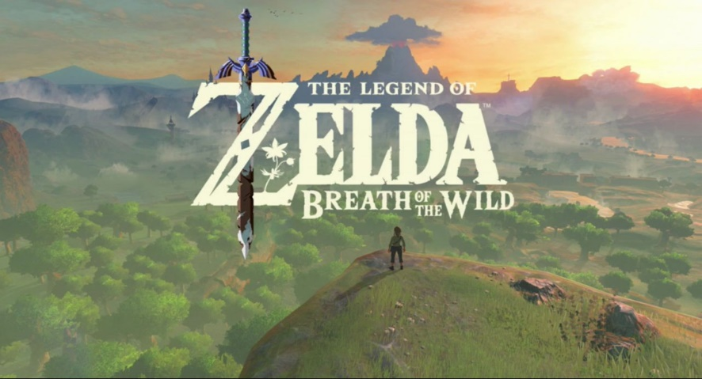
 |  |  |  | ◆ | Reasonable difficulty. As there are many parts and element in an open world, the cost of understanding is higher than other systems.
 |  |  | ● | A large covering width. It is only when the interactable target transferred from people to open world that the impression of this virtual world is deepened.
 |  |  | ● | The difficulty of conveying information: only human talks, the world not. As there are fewer hints in the wild, it is not strange that players feel desolated in the big world.
 |  | Conclusion: a real open world needs some method to express itself to players. So here goes the goal of design:
 |  |  | ● | To have good cooperation with other systems while maintaining the feature.
 |  |  | ● | To have a proper difficulty.
 |  |  | ● | To cover a relatively wide range of game, making it available to carry world settings. |  |  | A great blueprint of open world game.
 |  |  | ● | To express the world itself.
 |  | So the beginning of adventure system is the real open world and it starts from active actions of the player.

 | 3 |  | Emotions

 |  | Both the gameplay and content and bring emotion change of players. The emotion itself is greatly diverse among players, different systems may have different influences of emotion.
 |  | Based on the conclusion of part 1 and 2, the adventure system is built on the real world and the beginning and ending both fall at player experience. To guide the emotion of players properly becomes the major task.

B |  | Basic Structure of Adventure System

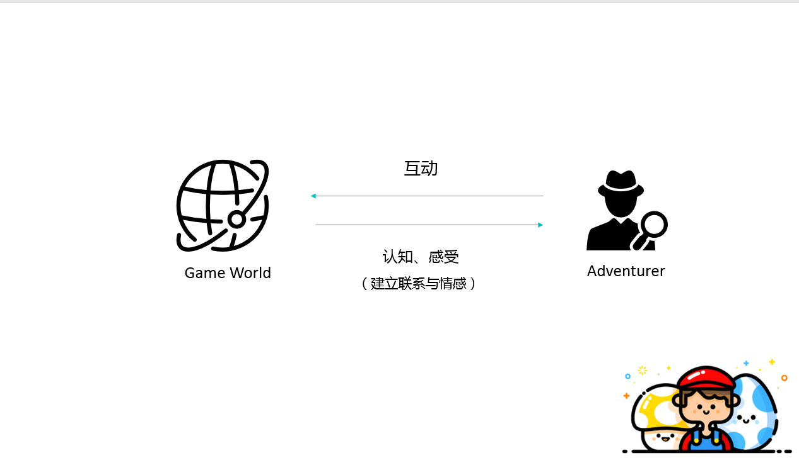
 |  | An introduction:
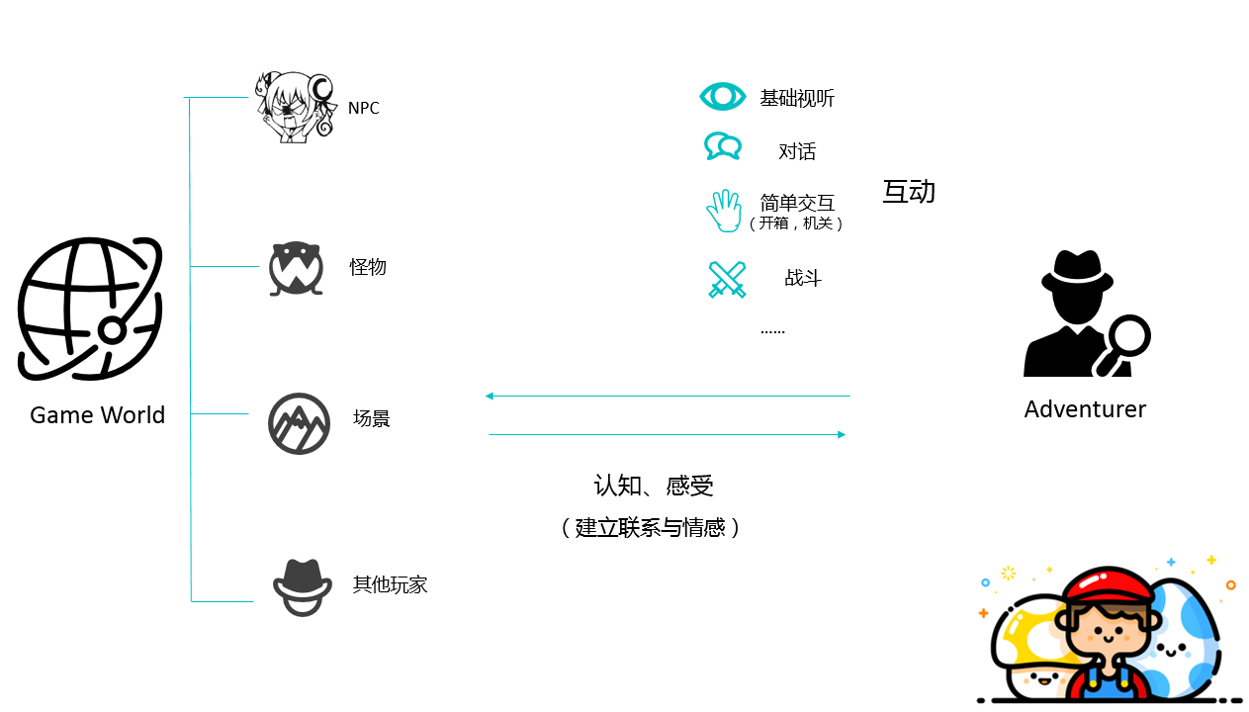
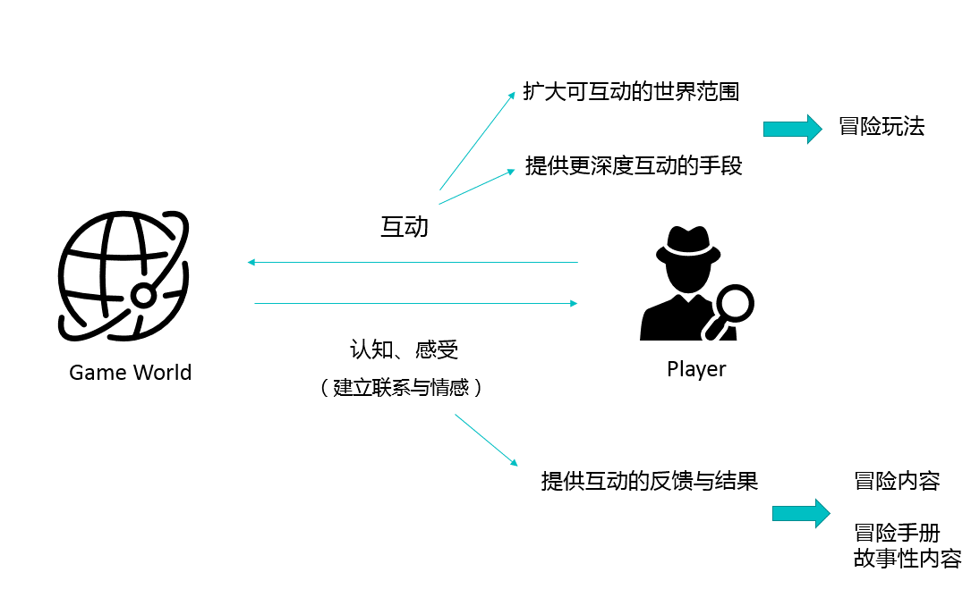

 |  | The mind map starting from sections of interactions in adventure system:
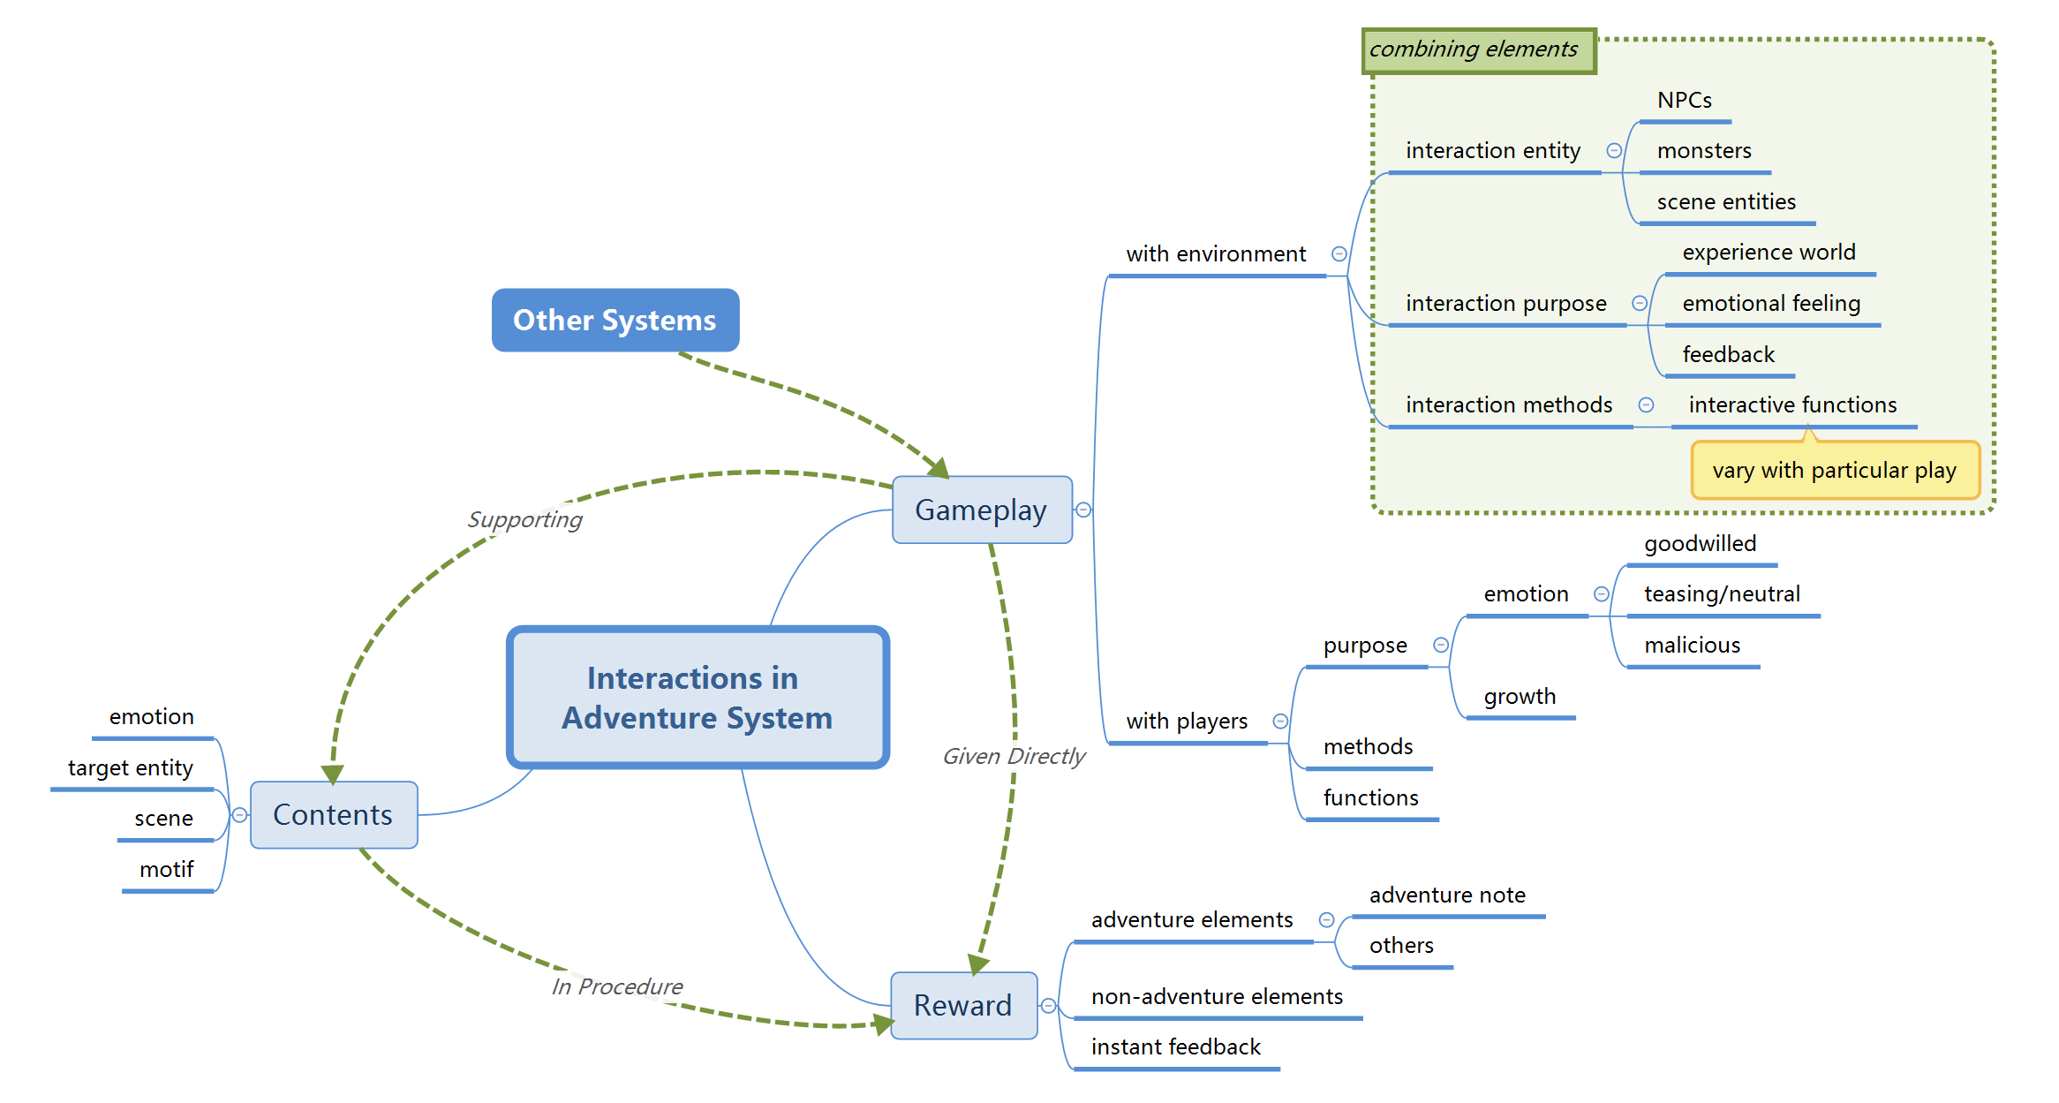

 |  | The main reason to separate PVE and PVP part is that they provide different basic emotional experience.
 |  | In PVE section player experience a world with "only half shows itself" while PVP focuses on emotional change during interaction with others.
 |  | Based on the purposes of adventure system, PVE shall be the major part of adventure system, however, following intersections between PVE and PVP shall not be neglected:
 |  |  | ● | In most circumstances, the gameplay and content are combined together. This is because when designing gameplay we avoid putting narrow gameplay into actual production.
 |  |  | ● | In PVE cases some features should be constrained. For instance, limiting the quantity of sound playing at the same time to avoid making a noisy environment.
 |  |  | ● | In PVP cases, the diversity of content to meet the need of most players.

C |  | Player Experience Report & Analysis

 | Personal report: player experience of adventure system (M5) |  |  |  |  | portal

 | Analysis of user experience quick testing(not my work, so not included)

Experience Analysis
X1A0T
Experience Analysis

 | Structure of Document

 | A |  | Summary

 |  |  | A summary of gameplay and contents in adventure system of PMxx.

 | B |  | Analysis of Design Purposes, Merits and Demerits

 |  |  | To analyze the design purpose of the design above, and list what is good or not good about current design based on player experience.

 | C |  | Improvement Proposal

 |  |  | To discuss what can be done to improve the design and enhance player experience.

A |  | Summary

 | The adventure system can be divided into several parts according to gameplay and content. The discussion is focused on following 5 aspects:
 | ● | Description of gameplay or content.
 | ● | Details of progress.
 | ● | Interactions with player.
 | ● | Emotional experience.
 | ● | Topicality.

 | 1 | Mora

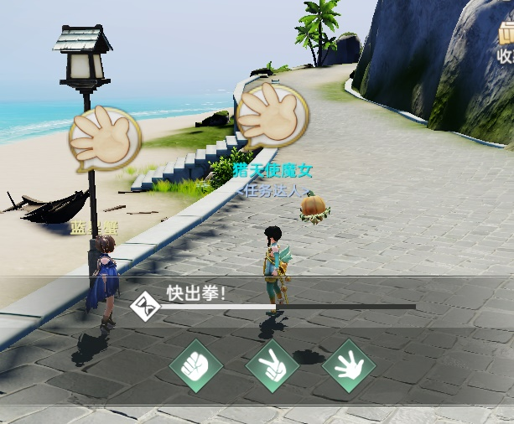
 |  | 【Description】 | Short time, single player game with item awards. Mora for best of three.
 |  | 【Details】 | There are 4 NPCs designed for mora game, starting from a mora newbie to mora champion. The high level NPC is at, the lower chance for player to win the game. What NPC picks is actually based on player's choice- after player makes decision, NPC reacts in a certain chance of winning. When character has the ability "Look Through", he/she will no longer be defeated.

 |  | 【Interactions】 | Click one of three icons on the screen in a few seconds.
 |  | 【Emotion】 | After gaining "Look Through": relatively fun and exciting.
 |  |  | Though players cannot decide the result, most of them will try for another one or two times. However, when facing the "Mora Champion", as hinted "impossible to win even try for 20 times", few will stick to the end until winning because of the low expectation.

 |  |  | After gaining "Look Through": dull.
 |  |  | Player is no longer focused on the result as he/she will take match. Most players just randomly choose without thinking.

 |  | 【Topicality】 | Intermediate. Character will receive a collection and a title after winning the champion.

 | 2 | Transform

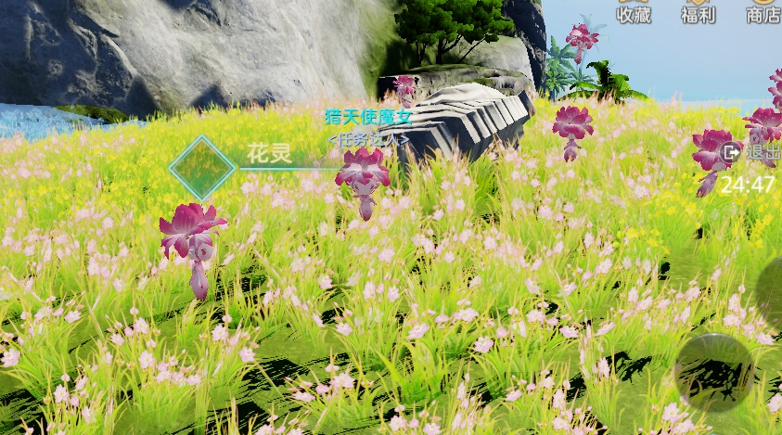
 |  | 【Description】 | Short time, single player game with some limitations.
 |  | 【Details】 | Character use special items to transform into a new avatar that shares same looking, actions, skilled. Some human actions are disabled(mounting, flying). In transformation state, special will offer new missions and character can only accept and finish those transformed. Missions include: searching treasures, talk with specific NPC, perform some interactions. All missions are designed based on the features of monster species. Monsters of same species may be found soliloquizing.

 |  | 【Interactions】 | Firstly use special items to transform, then some monster NPC may have mission available for you, or treasures become visible.

 |  | 【Emotion】 | Players are more focused and interested in this mode and they show great curiosity. This is mainly because the missions are hard to find and transforming is fun enough as a way to explore the world.

 |  | 【Topicality】 | High. It is a new kind of interaction with the world. Players may talk about what they found.

 | 3 | Audio

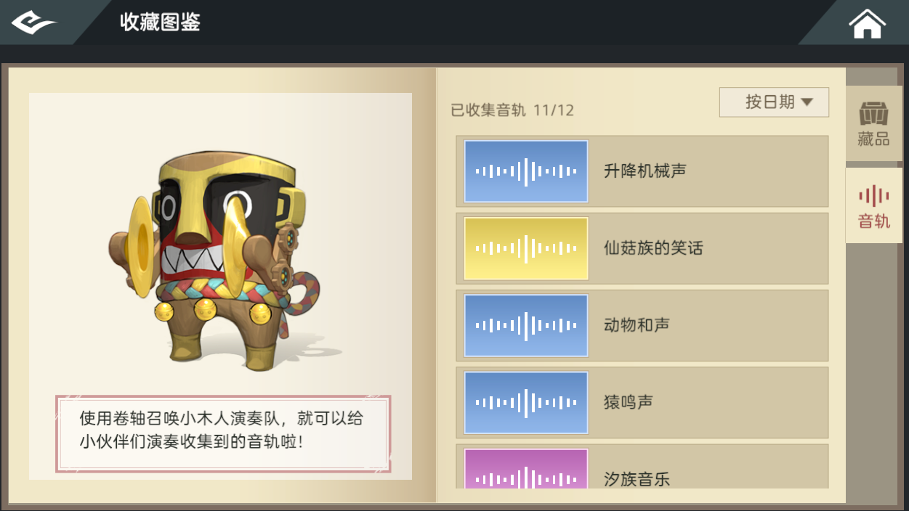
 |  | 【Description】 | Consists of two parts: recording and replaying.
 |  | 【Details】 | Recording and playing are all designed as short time, single player mission. When character gets to a certain location or finishes a mission an audio clip may be available to collect. Click the "Collect" UI to record the clip. Playing an audio clip is required usually in a mission where NPC ask you to show some evidence. Player can replay and listen to their recorded sound anytime and anywhere in the game world, but a max limitation is set to avoid playing too many clips at the same time.

 |  | 【Interactions】 | In collection window, player can click an audio clip to listen. To replay sound in public, player need to use "Music Scroll" and choose which clip to play. An NPC will be created playing the clip.

 |  | 【Emotion】 | Most players show their interest in collecting and replaying the music. As the cooldown of replaying is quite long, they tend to think carefully when playing the music.

 |  | 【Topicality】 | The character will receive a title for collecting all audio clips.

 | 4 | Landmark

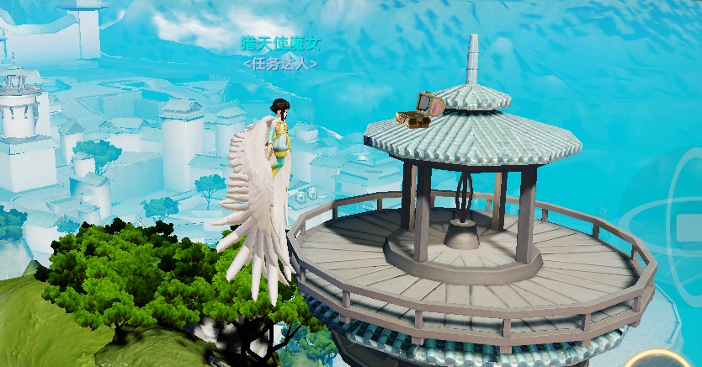
 |  | 【Description】 | In the world of Sulan, there are many buildings, towers and locations that serve as landmarks.

 |  | 【Details】 | Thanks to the mounting and flying system, the player is easy to get to a very high altitude. Due to the visible distance set in game, most distant things are blurred and faded while several buildings can be seen even at a distance faraway. Many treasure chests are located there as a reward for their efforts of exploration.

 |  | 【Interactions】 | The character needs to enter flying mode to get to higher locations. To open a chest, just get close enough and touch the UI.

 |  | 【Emotion】 | After winning their first reward getting to landmarks, players are more engaged in exploring the terrain. Yet they will be more depressed when blocked by some invisible air walls.

 |  | 【Topicality】 | Relatively low. Most treasure chests are not very important in game.

 | 5 | Treasure Hunt
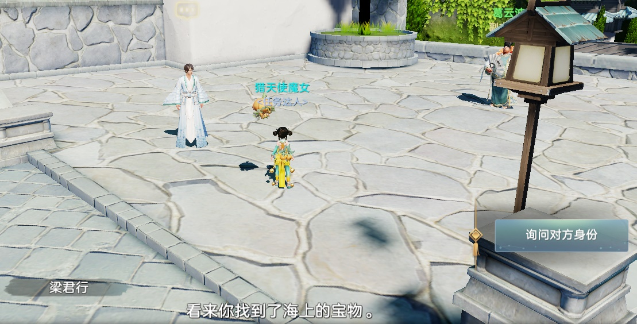
 |  | 【Description】 | Short time, single player missions. There are three missions of this series.
 |  | 【Details】 | Players may found "chest scroll" hidden in chests somewhere in the world. Talk to a specific NPC carrying chest scroll will trigger a recitation mission. After reciting every sentence in the chest scroll, the NPC will give hints about the location of chest in his sentences. With his hints the player should be able to find the treasure.

 |  | 【Interactions】 | Get "chest scroll" at specific location- answer multiple questions- get treasure at specific location.

 |  | 【Emotion】 | Because of the sentence recitation task, players must remember the sentences in the scroll. In this way, they pay a high attention to the scroll.

 |  | 【Topicality】 | Players will quickly realize the importance of memorizing every sentence in this mission after first time trying. They may discuss the answer spontaneously on the web.

 | 6 | Collections

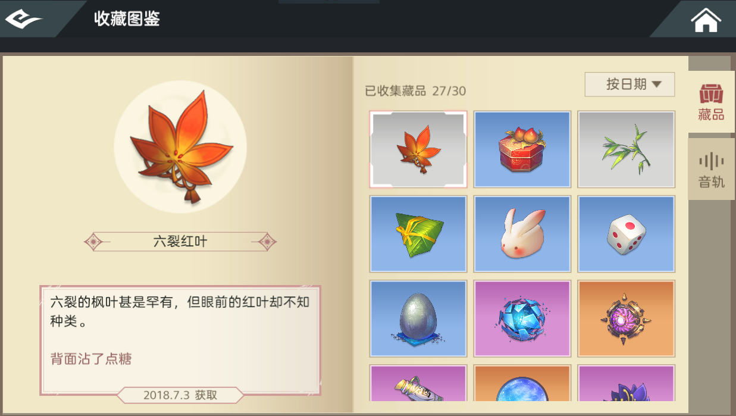
 |  | 【Description】 | Long time, the collection is the combination of single mission awards.
 |  | 【Details】 | Players may get certain "collection item" when finishing a mission or open a treasure chest. An eye-catching UI effect will appear. The items will be included in "Collections" with name, picture, description, background information, acquiring time and rarity. Players can sort these items by time or rarity. The item itself is not for use; as the certification of finishing challenges, character can get titles when accumulated enough items.

 |  | 【Interactions】 | Open Collections - click the item to show information, or click sort button to sort in certain rules.

 |  | 【Emotion】 | The visual effect can encourage players to keep finding more collections. The achievement system perform the same emotional experience.

 |  | 【Topicality】 | Wearable title can catch players' attention. Since it is very hard to get all collections, players may release raiders on their own and make a topic.

B |  | Analysis of Design Purposes, Merits and Demerits

 | Firstly to analyze the design purpose of the design above, then list what is good or not good about current design based on player experience.

 | 1 | Mora

 |  | 【Experience】 | To experience the uncertainty and ploy by doing simple mora.
 |  | 【Merits】 | ● | It mostly depends on luck before gaining "look through", so it is quite interesting.
 |  |  | ● | Mora gameplay has a less invasion impact on game and is good as an adjustor of mood during adventure.
 |  | 【Demerits】 | ● | Winning rate become 100% with "look through", making it less fun as a form of gambling. Players will participate less often.

 | 2 | Transform

 |  | 【Experience】 | To add new choices for characters to experience a totally different identity.
 |  | 【Merits】 | ● | To deepen the impression of the game world by letting them directly experience as monsters.
 |  |  | ● | To encourage players to try more gameplay based on monster features by designing new controllable monster characters.
 |  |  | ● | To make game more interesting and have topicality.
 |  | 【Demerits】 | ● | Currently there is only a few content players can experience in transformed characters. Their desire for exploration more about this gameplay is not strong enough.
 |  |  | ● | In most cases player only transforms when there is a mission. This narrows the usage of transforming.
 |  |  | ● | The character is very slow (occasional bug) and has few featured skills, either can he/she fly or mount. Quite inconvenient.

 | 3 | Audio

 |  | 【Experience】 | Use audio as new way to feel and express to the world.
 |  | 【Merits】 | ● | Small challenges like recording the sound makes player interested and the sound is from various origin.
 |  |  | ● | Provide with new, innovative collecting elements rather than traditional treasure chest.
 |  |  | ● | To add to the credibility of the world settings. Different places have different sound to collect.
 |  | 【Demerits】 | ● | Current game play is like word puzzle- choose the right sound and it is done. Players may feel fresh for the first time but will soon get bored.
 |  |  | ● | Interaction is not very convenient. Cooldown of switching sound is 10 seconds which proves to be too long to wait.

 | 4 | Landmark

 |  | 【Experience】 | To add to the breadth and depth of an open world.
 |  | 【Merits】 | ● | To serve as visual guide for players, add to visual layers and direct. Players will hardly get lost in this way.
 |  |  | ● | To Add new challenges and rewards, enriching the game content.
 |  |  | ● | To add to the background settings and increase the game's art level.
 |  | 【Demerits】 | ● | Rewards in the chest now are all jade- too simple.
 |  |  | ● | Some obvious high places are unreachable because of the air wall, frustrating players.

 | 5 | Treasure Hunt

 |  | 【Experience】 | Mainly brings cultural experience for players.
 |  | 【Merits】 | ● | The sentences written on scroll are very beautiful and are nor too short or too long to remember. Greatly helps enriching the cultural background.
 |  |  | ● | Help players get familiar with the world terrain in the form of mission.
 |  |  | ● | To enrich the world setting and increase the artist level.
 |  | 【Demerits】 | ● | Some places are really hard to find without necessary visual hints.

 | 6 | Collections

 |  | 【Experience】 | Advanced game log and achievement system.
 |  | 【Merits】 | ● | Collecting important items for players(accomplishing missions, making breakthrough) is natural and worth commemorating.
 |  |  | ● | Directly tells player how many items are not acquired, making them eager to find more by finishing new missions. Good for level design.
 |  |  | ● | Both word description and illustration are good enough for all items and can help enrich the world settings.
 |  | 【Demerits】 | ● | Players may forget the story a collection carries because system only records the time player got the collection.
 |  |  | ● | The rarity of collections need to be reallocated.

C |  | Improvement Proposal

 | Believed in player centered, experience oriented design philosophy, make proposals of improvement.

 | 1 | Mora

 |  | Proposal | ① | Add more stimulation point, making gameplay more interesting and players play more
 |  |  |  | ◆ | Improve "look through" mechanics: it now has effect similar to bullet time- greatly decrease all units' action speed. In this way, human player will have time to perform "cheat" via QTE.
 |  |  |  | ◆ | Enrich feedbacks of different result: win, lose and draw. Improve NPC's AI when there are multi rounds.
 |  |  | ② | Control the complexity, increase player experience.
 |  |  |  | ◆ | Control the probability of drawing to avoid making player bored getting draws in a row.

 | 2 | Transform

 |  | Proposal | ① | Add more basic functions and gameplay to transform system, bringing consistency to this system.
 |  |  |  | ◆ | Make guide of transform system more complete: transform is an interesting and useful gameplay of adventure system, how to transform properly should be emphasized in the game.
 |  |  |  | ◆ | Add elements in basic system that can only be triggered under transformation, such as special achievements in different status.
 |  |  | ② | Increase players' willingness to transform by introducing contents available to show in the world.
 |  |  |  | ◆ | Design interaction system under transformation: players chatting, combat, cooperation missions and so on.
 |  |  |  | ◆ | Enrich decoration elements(customization), such as dyeing equipment, special actions, world speakers. Paid content should also be available.
 |  |  | ③ | Optimize controlling pattern in transformation status.
 |  |  |  | ◆ | Optimize player animation and increase movement speed by skills or items.

 | 3 | Audio

 |  | Proposal | ① | Increase the field of intersection between audio and other systems to deepen the gameplay.
 |  |  |  | ◆ | When players replay audio in certain locations there can be new gameplay or contents. Example: playing music when producing will increase the production.
 |  |  |  | ◆ | Increase more individual element in audio, like playing audio as chat message, guild ring, taunting on the battlefield.
 |  |  |  | ◆ | Continue to enrich ways of expression of audio system in missions.
 |  |  | ② | Simplify the interactions of audio system.
 |  |  |  | ◆ | Instead od using specific items, it should be made available to directly play audio in collection window.
 |  |  |  | ◆ | Decrease the cooldown time between switching the audio clips.

 | 4 | Landmark

 |  | Proposal | ① | Add interesting points around landmarks, enrich the game content.
 |  |  |  | ◆ | Set up some small challenge missions like photographing or playing audio clips. This should leave an wonderful impression for players.
 |  |  |  | ◆ | Add exploration achievements into achievement system. Several important places should be memorized.

 | 5 | Treasure Hunt

 |  | Proposal | ① | Increase interaction elements and guide players develop wish to help each other.
 |  |  |  | ◆ | As some places are hard to find, players may refer to a walkthrough. Missions should be available to share with others, after one member find the places all gather together to accomplish.
 |  |  | ② | Control difficulty to avoid frustration by unnecessarily hard puzzles.
 |  |  |  | ◆ | Add visual hints when searching on one's own.
 |  |  |  | ◆ | After successfully reciting sentences, the part can be omitted the next time player asks NPC for a hint.

 | 6 | Collection

 |  | Proposal | ① | Continue to perfect the event record function of collections.
 |  |  |  | ◆ | After getting an item in collection, show the source of the item(from where and why it was given).
 |  |  |  | ◆ | Control the proportion of different rarity of collectables.
 |  |  | ② | Make collection system more interesting by introduce new interaction methods.
 |  |  |  | ◆ | Allow player to show off their collections in certain conditions(in their house, in chat, …)
 |  |  |  | ◆ | Certain dialogues may change due to if one possesses a certain collectable. This also applies to scene entrance permission, dialogue options, ...

Adventure Gameplay
Adventure Gameplay

 | Structure of Document

 | A |  | General Descriptions

 |  |  | Introduce the method of design and new gameplay created in this way.

 | B |  | Feasibility Analysis

 |  |  | Explain the realization conditions of gameplay above and discussed mechanics for programming.

A |  | General Descriptions

 | 1 |  | Basic Structure
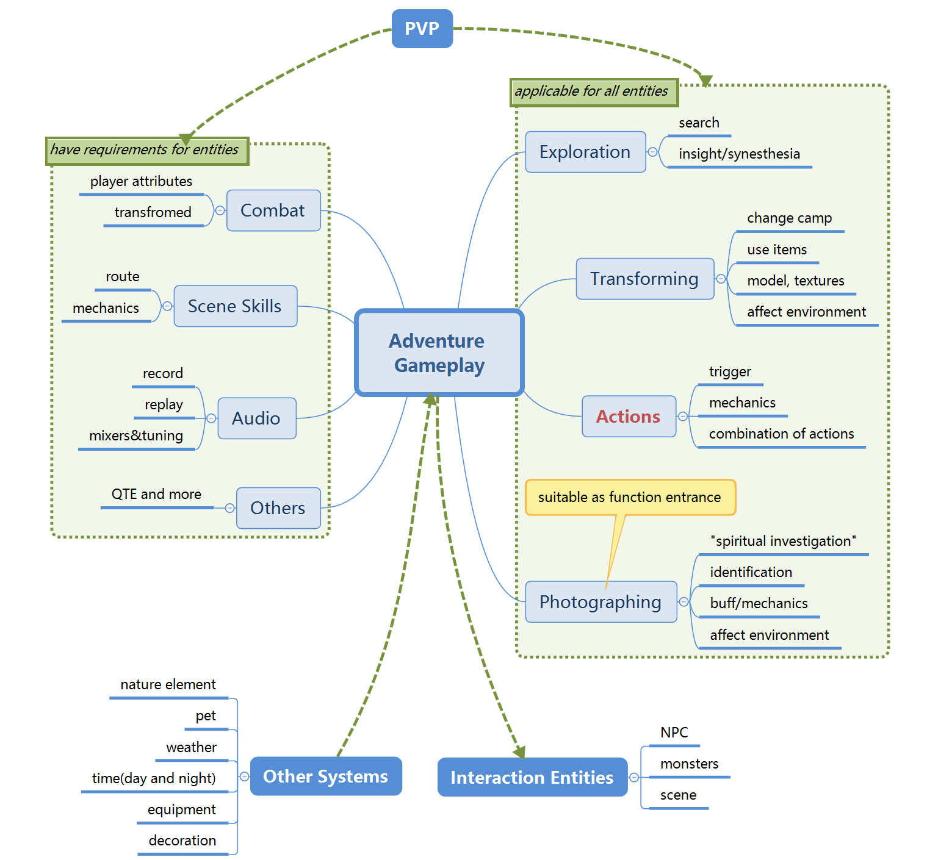
 |  |  |  |  |  | The mind map of adventure gameplay.

 |  |  |  |  |  | I separated gameplay elements into two groups based on whether it has requirement for entities..

 | 2 |  | Generating Gameplay

 |  | According to the mind map, the generating method of single player adventure gameplay should be:
 |  | Interaction Function x Interaction Entity x (Other System) = a Gameplay（trigger, reward and content not included）
 |  | ● | The interaction function is the representation of gameplay.
 |  | ● | The interaction entity is the target of gameplay.
 |  | ● | Other system is an optional parameter because some functions may need other system to work.
 |  |  | Following are examples of interaction functions and new gameplay:
 |  |  | Method | Description | Function | Description | Entity | Other System | Gameplay Generated
 |  |  | Probe | Acquire information or trigger events by mark or conversation. | Search | Get items via interaction. | NPC/Monsters | Weather/Time | NPC or monsters sleep at night, making it easy to steal items.
 |  |  |  |  | Synesthesia | Get information interacting with trace or sound. | NPC/Monsters | / | Investigate the body near a monster and know monster's skills and weakness.
 |  |  |  |  | Accumulation | Trigger events by doing something repeatedly. | NPC/Monsters | / | Continuously searching a person makes him angry and fight with character.
 |  |  | Transform | Change model and actions to a NPC or monster. | Summon | Summon monsters to help player. | / | Item | Summon some monsters to absorb damage in combat.
 |  |  |  |  | Dyeing | Change self color. | / | Decoration | Kill rare monsters or pay to get new skins.
 |  |  |  |  | / | Attribute changes due to model change. | / | Attribute | A light wooden bridge that need character to transform into a flower fairy.
 |  |  |  |  | Transforming | / | NPC | (wide) | Transform into a merchant to buy items for lower prices in the black market.
 |  |  | Actions | Trigger events by using social actions. | Perform…to… | Trigger events by performing certain actions. | NPC/Monsters | / | Provoke a drunk NPC to trigger a combat.
 |  |  |  |  |  |  | Scene | / | Use "Praise the sum" to open a hidden passage.
 |  |  |  |  | Actions group | Trigger event by performing continuously. | (Wide) | / | Use only actions to communicate with dumb NPC to complete a mission.
 |  |  | Photography | Includes framing and shooting. | Identification | Acquire information. | NPC | / | Shooting for the names of two identical looking NPC to know who is real.
 |  |  |  |  |  |  | Monsters | affix | Photograph to search for the attributes of rare monsters and get battle hints.
 |  |  |  |  | Ghost State | Change the visibility of target entity. | Scene | / | Investigate a person with illegal activities by photographing his belongings.
 |  |  |  |  | Flash | Trigger event by using the "Flash" photo skill. | Scene | / | Use "Flash" to temporarily light up a place at night.
 |  |  |  |  |  |  | Monsters | Buff | Use "Flash" to defeat a monster that is more powerful in darkness.
 |  |  | Audio | Recording and replaying sounds, conversations and more. | Recording | Record specific dialogues and save them. | NPC | / | Record what NPC said during talk as evidence in the future.
 |  |  |  |  | Retexting | Show recorded dialogue texts. | NPC | / | Show what he said before to stop a merchant raising price.
 |  |  |  |  | Replaying | Play audio in an area. | Monsters | Buff | Play howling sound of a boss in a group of monsters to fear them.
 |  |  |  |  |  |  | Scene | / | Play special code sound to open a hidden door.
 |  |  |  |  |  |  | NPC | Time | Play recorded jokes to have conversation with NPC.
 |  |  |  |  | Special Effects | Process the sound afterwards. | / | / | Adjust or mix sounds. This can be used for creating social sound.
 |  |  | Combat | Attack and defense against an entity. | Adventure Power | Use adventurer to power character up. | Monsters | Skills/Buff | Get title "Crab Killer" after slaying 500 crabs to increase attack when transformed as crab.
 |  |  |  |  | Transfer Hatred | Affect monster hatred. | Monsters | Decoration | Gain more hatred slaying crabs. Eventually neutral crabs become enemy.
 |  |  | Other | Some miscellaneous functions. | Shared Vehicle | Get on two-person vehicle and change status. | Monster/PVP | Vehicle | Like Chogall in HotS, one player controls vehicle, the other controls character fighting together.
 |  |  |  |  | Transparency | Change texture, influencing several triggers. | (Wide) | Decoration/Item | \Become transparent. Decrease hatred from monsters and able to go somewhere.
 |  |  |  |  | Parkour | Speed run with or without vehicles. | / | / | Tiny game focusing on controlling the balance of character and vehicle.

B |  | Feasibility Analysis

 | In general, new adventure gameplay should try to base on current systems and emphasize the intersection of these systems. The benefits are:
 | ● | Avoid developing new functions that only works in a few situation.
 | ● | Deepen players' understanding of basic systems, guide them to get started more quickly.
 | ● | In adventure log, make it easier to call existing API to record data.

Adventure Content
Adventure Content

 | Structure of Document

 | A |  | General Descriptions

 |  |  | Introduce the method of design and new adventure content created in this way.

 | B |  | Collection System

 |  |  | Introduce the basic structure and elements in collection system of adventure system.

A |  | General Descriptions

 | 1 |  | Basic Structure
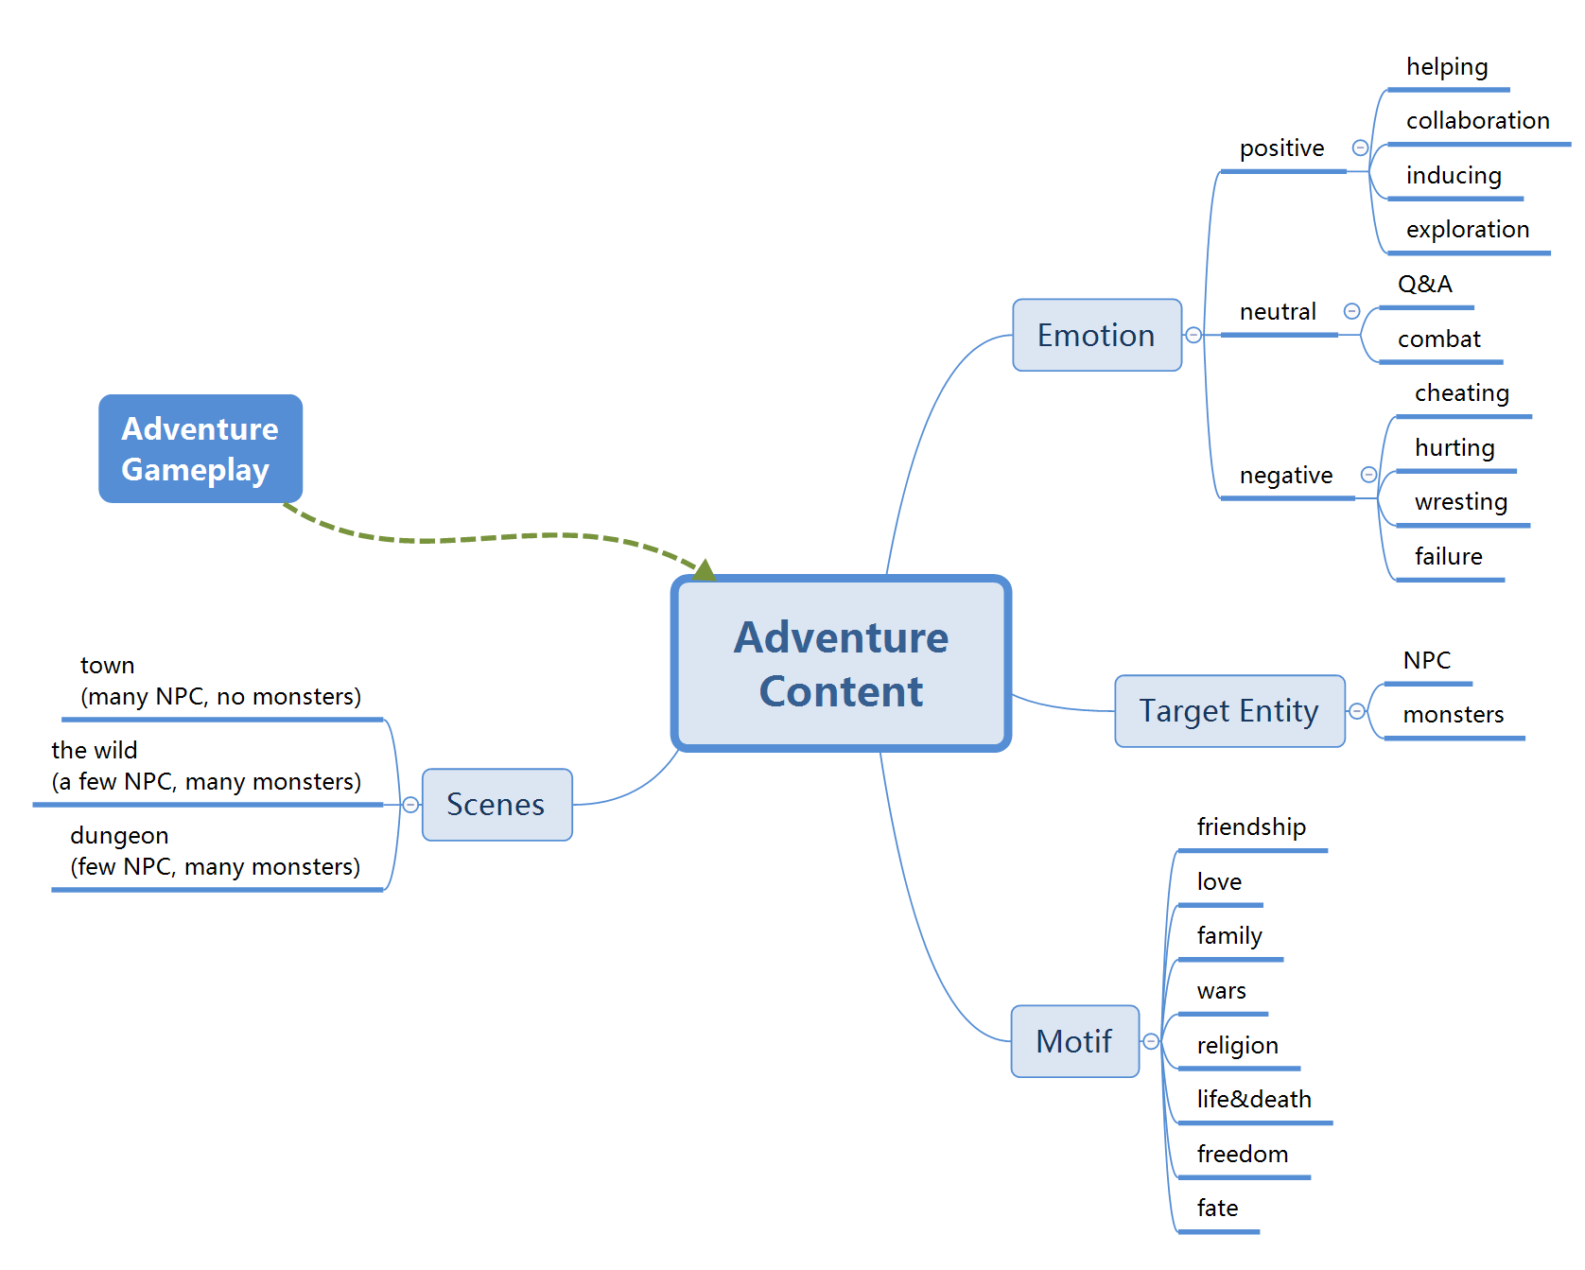
 |  |  |  |  |  |  |  |  | The mind map of adventure content.

 |  |  |  |  |  |  |  |  | Basically it contains four aspects:
 |  |  |  |  |  |  |  |  | ● | Scenes where content actually happen;
 |  |  |  |  |  |  |  |  | ● | Emotion which is the target of player experience;
 |  |  |  |  |  |  |  |  | ● | Target entity on which the content focus;
 |  |  |  |  |  |  |  |  | ● | Motif which is the fundamental idea of the content.

 | 2 |  | Generating Contents

 |  | According to the mind map, the generating method of single player adventure gameplay should be:
 |  | Emotion x Interaction Entity x Motif x Scene + (gameplay) = a Adventure Content.（trigger and reward not included）
 |  | ● | Motif is generally what the story is focused on. The same motif, when applied to different stories, may have different emotional impact.
 |  |  | ◆ "Wars" can be positive, when applied in case where character use their power to help the weak against the strong.
 |  |  | ◆ "Wars" can of course be negative: a long-term conflict between two tribes makes lives perish, guiding players to reflect on its meaning.
 |  | ● | Scenes in adventure system are very complex as they often change due to time, weather and other effects.
 |  | ● | Gameplay is an optional parameter referring to adventure mechanism. It is not compulsory because some contents like conversation are easy to handle in existing systems.
 |  |  | Following are examples of content created under the formula above:
 |  |  | Emotion | Entity | Motif | Scene | Gameplay | 内容举例
 |  |  | Collaboration/ Combat | Monster | Wars | Wild | Transform | As you are wandering in the wild transformed into a crab, you may find two groups of crabs fighting each other. You can join one side and fight for them!
 |  |  | Helping | Monster | Friendship | Town/Wild | Transform | You, the fake grass fairy, get the information that some buddies with rare color often gets kidnapped by human. Raise your armies!
 |  |  | Exploration/ Combat | NPC | Fate/Love | Dungeon | Probe | A woman tells you his husband went to adventure and has not been back for several days. In the deep of dungeon you find blood stained man infected with fatal virus. He begs you for a death...
 |  |  | Inducing | NPC | Religion | Town/Wild | Transform | After getting recognized as a honored Xuanshui follower, you can ask for money dressed in Xuanshui clothes. But after several times you may be suspected and get exiled from Xuanshui Religion.
 |  |  | Q&A | NPC | Scenery | Town/Wild | / | An NPC asks you about the background setting of scenery spots and gives you hints on catching a nice picture.
 |  |  | Cheating | NPC | Money | Town/Wild | Photography | Someone ask of you to investigate a hidden treasure in a relic, and you need to take photos for reply. You can honestly take a photo, or you can take the treasure yourself and tell him there was nothing.
 |  |  | Wresting | Monster | Family | Wild | Audio | Playing hurling sound of wolf will make wolves gather around you.

B |  | Collection System

 | Introduce the basic structure and elements in collection system of adventure system.
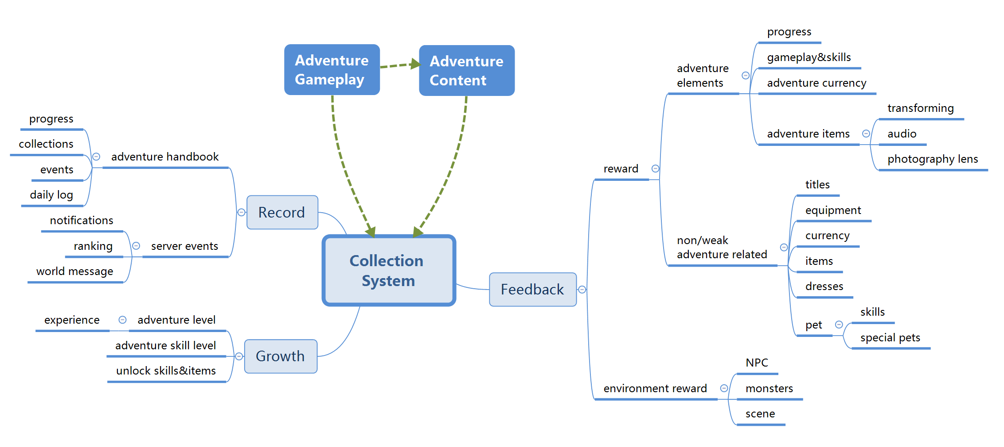

 | This mind map tells what should be included in collection system.

